Sheet1
CHECK IN SHEET

NAME |  |  |  |  | PHONE NUMBER
AGE |  |  |  |  | EMAIL ADDRESS
HEIGHT |  |  |  |  | WHAT PROGRAM ARE YOU ON
ANY ALLERGIES |  |  |  |  | INSTAGRAM USERNAME

WEEK | Start | Week 1 | Week 2 | Week 3 | Week 4 | Week 5 | Week 6 | Week 7 | Week 8 | Week 9 | Week 10 | Week 11 | Week 12
DATE
TIME
MEASUREMENTS IN INCHES
Right Calf
Right Thigh
Hips
Waist
Chest
Right Bicep (Relaxed)
Right Bicep (Contracted)
Neck
Weight

Week of Period
PLEASE ANSWER THE QUESTIONS BELLOW AT THE START OF YOUR PROGRAM

QUESTIONS ? | YES | NO | IF YES PLEASE ANSWER
Are your periods regular |  |  | How many days is your cycle =
Are you on any contraception |  |  | What type and name if available =
Going through Perimenopause |  |  | Name of any medication =
Going through Menopause |  |  | Name of any medication =
oophorectomy |  |  | Name of any medication =

INSTRUCTIONS & INFO

PROCEDURE
- Diagram showing where to take body measurements.
- Weight in day is Friday mornings when you wake up and before you have consumed any foods or liquids.
- If you are in a rush and don’t have time to take them all please just take the HIP and WAIST as these are two of the most important.
- The morning you start your program fill in the START column. And email to me to the weigh in email peter@pptnutrition.com
- That Friday morning when you wake up you do your measurement’s and fill in WEEK 1 and email to me and so on for every week.
-Please fill on the measurements in INCHES and the weight in POUNDS. (if unable on your scales then just write in what ever unit your scales uses)
-The reason it is done in the morning is because this is when your body is at its lowest in fluid retention giving a more accurate reading on measurement’s and weight.
-In the Box where it says WEEK OF PERIOD and it started on say week 3.
Please just put the DATE in that box like so
-under that there are a few questions around your menstrual cycle. Please fill in as it gives me a better indication on water retention in your body as explained in IMPORTANT INFO. If you do not get periods any more for what ever reason them questions will suffice and just place an x in the period columnns
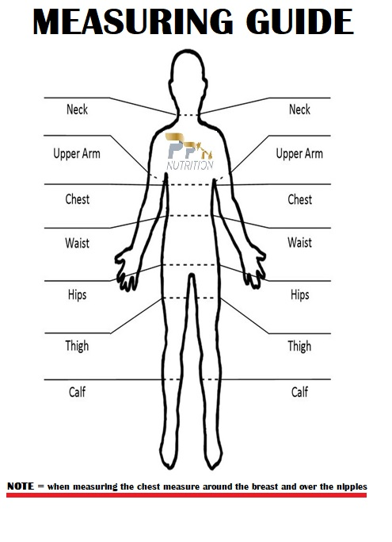

.
IMPORTANT INFO
1 On a program Women have a harder time mentally than men, due to the difference in male and female hormones.
Because women’s hormones go up and down like progesterone and oestrogen. This causes the body to store fluid (water retention).
The Body usually starts to retain water as far out as a week before your period and drops off after your period.
This is where it becomes harder on women as they might be coming up to their period and step on the scales, they are up weight and loose motivation. Remember just because your up fluid and weight that does not mean you havent lost fat.
This is not fat weight but fluid weight so TRUST the process.
2 If for some reason you are unable to edit the weigh in sheet or you are unable to send it to me then print it out .
- fill in with pen and send me a picture of it .
-If you do not have a printer you can draw out the table and fill it in and send a pic.
PLEASE TAKE PICTURES AT THE START OF YOUR PROGRAM. EVEN IF YOU DO NOT WISH TO SEND TO ME RIGHT AWAY PLEASE STILL TAKE THEM AS THESE WILL GIVE THE BEST VISUAL OF YOUR CHANGES
ALL CHECK INS TO INFO@PPTFITNESSNUTRITION.COM

